Use_Case
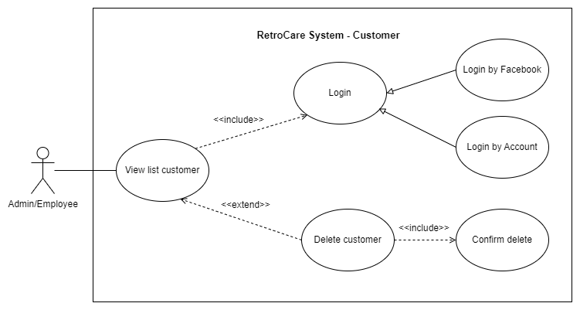
6.11.3 - 1. Màn hình danh sách khách hàng
6.11.3 - 2. Màn hình xóa khách hàng

Class_Diagram
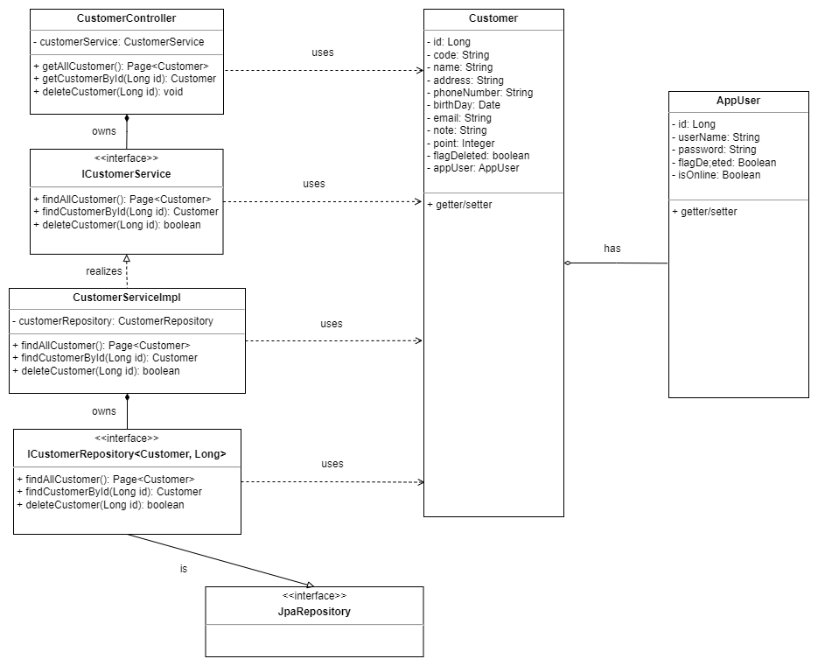
6.11.3 -1. Màn hình hiển thị danh sách khách hàng
6.11.3 -2. Màn hình xóa khách hàng

Sequence_Diagram
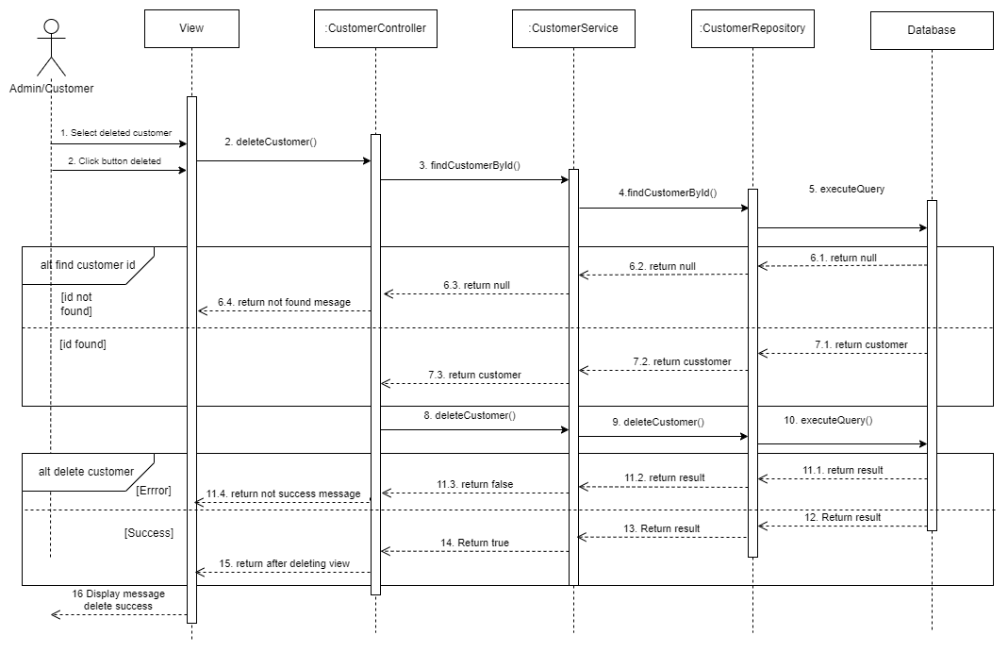
6.11.3 -1. Màn hình danh sách khách hàng

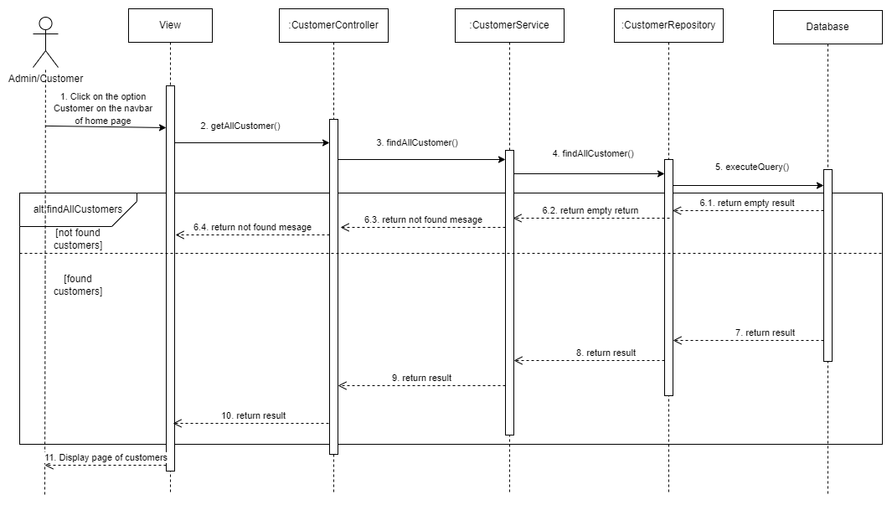

6.3.1.2 Màn hình xóa khách hàng

